Summary Tables
Monthly Sales Trend
🏆 Top 15 Customers by Total Spend |  |  |  |  | 📆 Sales by Month
Customer ID | Transactions | Total Spent ($) | Avg Sale ($) | Responded? | Month | Total Sales ($) | Avg Sale ($)
CS2732 | 31 | $2,195.00 | $70.81 | No | January | $605,286.00 | $57.48
CS6992 | 28 | $2,132.00 | $76.14 | No | February | $565,946.00 | $57.72
CS4057 | 34 | $2,129.00 | $62.62 | No | March | $608,728.00 | $57.55
CS6053 | 33 | $2,112.00 | $64.00 | No | April | $592,026.00 | $57.80
CS2170 | 30 | $2,096.00 | $69.87 | Yes | May | $612,797.00 | $57.34
CS2191 | 29 | $2,095.00 | $72.24 | No | June | $589,044.00 | $57.31
CS3480 | 32 | $2,094.00 | $65.44 | No | July | $613,958.00 | $57.52
CS1976 | 35 | $2,053.00 | $58.66 | No | August | $612,568.00 | $57.25
CS5721 | 32 | $2,020.00 | $63.12 | No | September | $589,219.00 | $57.32
CS3133 | 32 | $1,998.00 | $62.44 | No | October | $593,462.00 | $57.29
CS7651 | 29 | $1,971.00 | $67.97 | No | November | $600,912.00 | $57.67
CS1646 | 28 | $1,948.00 | $69.57 | No | December | $595,673.00 | $57.02
CS3382 | 29 | $1,946.00 | $67.10 | Yes
CS2103 | 35 | $1,938.00 | $55.37 | No | 📣 Campaign Response Summary
Total Sales by Year
CS4298 | 27 | $1,931.00 | $71.52 | Yes | Response | Count | Percentage
 |  |  |  |  | Did Not Respond | 6219 | 90.3%
 |  |  |  |  | Responded | 665 | 9.7%
 | 📅 Sales by Year
 | Year | Total Sales ($) | Avg Sale ($) | Transactions | 📊 Sales by Quarter
 | 2,011 | $1,417,195.00 | $57.33 | 24,721 | Quarter | Total Sales ($) | Transactions
 | 2,012 | $1,446,249.00 | $57.54 | 25,134 | Q1 | $1,779,960.00 | 30,914
 | 2,013 | $1,443,320.00 | $57.42 | 25,136 | Q2 | $1,793,867.00 | 31,209
 | 2,014 | $1,422,122.00 | $57.33 | 24,805 | Q3 | $1,815,745.00 | 31,652
 | 2,015 | $1,450,733.00 | $57.56 | 25,204 | Q4 | $1,790,047.00 | 31,225

Dashboard
🏪 RETAIL CHAIN SALES ANALYTICS DASHBOARD
Sales Data Analysis & Reporting | 2011 – 2015 | 125,000 Transactions | 6,889 Customers

TOTAL REVENUE |  | AVG TRANSACTION |  | TOTAL CUSTOMERS |  |  | RESPONSE RATE | BEST YEAR

$7,179,619 |  | $57.44 |  | 6,889 |  |  | 9.7% | 2015

All 5 Years |  | Per Transaction |  | Unique Customers |  |  | Campaign Response | Highest Revenue

📊 SALES PERFORMANCE SUMMARY
Year | Total Sales |  | Transactions | Avg Sale |  | vs Prior Year
2011 | $1,417,195 |  | 24,721 | $57.33 |  | —
2012 | $1,446,249 |  | 25,134 | $57.54 |  | +2.1%
2013 | $1,443,320 |  | 25,136 | $57.42 |  | -0.2%
2014 | $1,422,122 |  | 24,805 | $57.33 |  | -1.5%
2015 | $1,450,733 |  | 25,204 | $57.56 |  | +2.0%

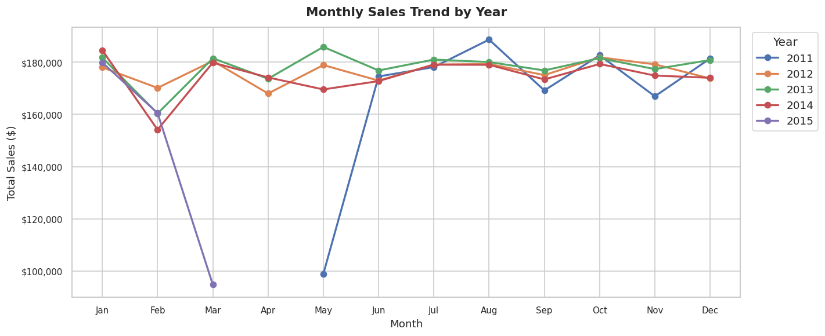
📈 CHARTS — See Summary Tables sheet for interactive charts
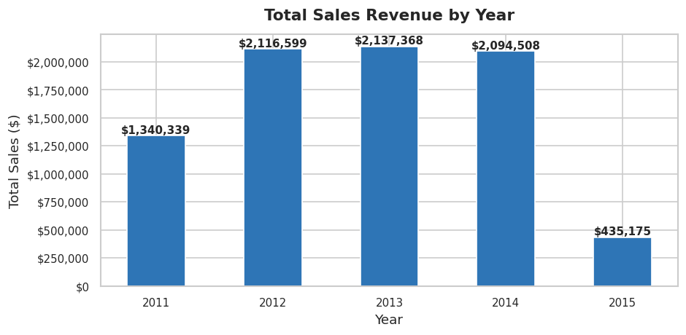 [ INSERT CHART HERE ] 📊 Sales by Year (Bar Chart) Copy from Phase 3 Python output or from Summary Tables sheet |  |  |  |  | [ INSERT CHART HERE ] 📈 Monthly Sales Trend (Line Chart) Copy from Phase 3 Python output or from Summary Tables sheet

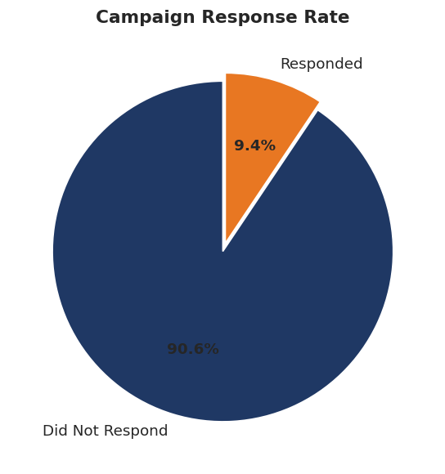 [ INSERT CHART HERE ] 🥧 Campaign Response Rate (Pie Chart) Copy from Phase 3 Python output or from Summary Tables sheet |  |  |  |  | 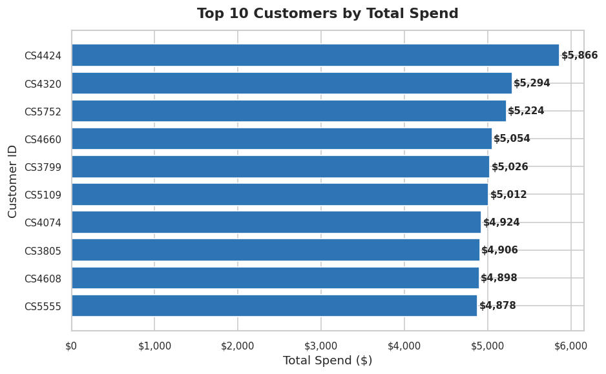 [ INSERT CHART HERE ] 🏆 Top 10 Customers (Bar Chart) Copy from Phase 3 Python output or from Summary Tables sheet

Project: Sales Data Analysis & Reporting | Tools: Python · SQL Server · Excel | Data: 125,000 transactions (2011–2015)

